Overview
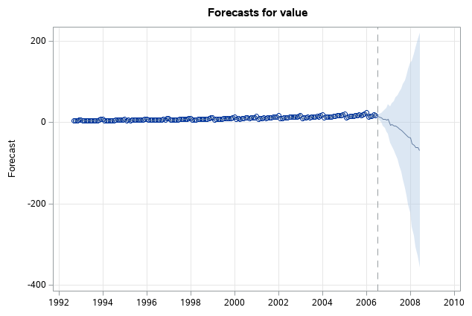
SAS Forecasting - Sample (Drug Sales Data)

 | value
Jul-91 | 3.526591
Aug-91 | 3.180891
Sep-91 | 3.252221
Oct-91 | 3.611003
Nov-91 | 3.565869
Dec-91 | 4.306371
Jan-92 | 5.088335
Feb-92 | 2.81452
Mar-92 | 2.985811
Apr-92 | 3.20478
May-92 | 3.127578
Jun-92 | 3.270523
Jul-92 | 3.73785082
Aug-92 | 3.55877609
Sep-92 | 3.77720173
Oct-92 | 3.92449042
Nov-92 | 4.38653092
Dec-92 | 5.81054917
Jan-93 | 6.19206769
Feb-93 | 3.45085699
Mar-93 | 3.77230686
Apr-93 | 3.7343029
May-93 | 3.90539892
Jun-93 | 4.04968714
Jul-93 | 4.31556552
Aug-93 | 4.56218455
Sep-93 | 4.60866203
Oct-93 | 4.66785129
Nov-93 | 5.09384145
Dec-93 | 7.1799622
Jan-94 | 6.73147308
Feb-94 | 3.84127758
Mar-94 | 4.39407557
Apr-94 | 4.07534073
May-94 | 4.5406449
Jun-94 | 4.64561508
Jul-94 | 4.75260653
Aug-94 | 5.35060467
Sep-94 | 5.20445484
Oct-94 | 5.3016513
Nov-94 | 5.77374216
Dec-94 | 6.20459348
Jan-95 | 6.74948382
Feb-95 | 4.21606735
Mar-95 | 4.94934946
Apr-95 | 4.8230449
May-95 | 5.19475419
Jun-95 | 5.17078711
Jul-95 | 5.25674157
Aug-95 | 5.85527729
...
 | Data |  |  | Visualization | EDA | Modelling |  | Model Diagnostics | SAS Available Models |  | SAS + Python | Next Action Items | Requirements to Connect to SAS Cloud Analytic Services
 | Features | Date | Value |  |  | Training Period | 15 years (180 Records) |  |  |  |  | To build forecast model using the data shared by Sabrinath
 | Dimension | Rows: 204 | Column:2 |  | Inferences: | Testing Period | 2 Years (24 records) | ARIMA - Stationarity Test | Exponential smoothing |  | Execute python script in SAS (Enterprise) |  | Before you can submit a program that connects to the SAS Cloud Analytic Services (CAS) server, you must have permission to access the CAS server. Your system administrator typically manages users and permissions.
 |  |  |  |  | Data shows upward Trend & yearly seasonality |  | Accuracy (MAPE) |  | Winters smoothing, additive and multiplicative |  |  | Try advanced forecasting models (LSTM, prophet) | In addition, the CAS server must be running before your program can connect to it. Your system administrator typically manages the servers that are used by SAS. For more information, see SAS Viya Administration: SAS Cloud Analytic Services.
 | #Observations | 204 |  |  | PACF & ACF cuts at 1 lag suggesting AR(1) and MA(1) | ARIMA | 85% | Conducted ADF test | Box-Jenkins ARIMA models, including seasonal ARIMA models |  | Prerequisites |  | To submit a program that connects to the CAS server from the command line:
 | #Missing Observations | 0 |  |  | No white noise | Winter's | 88% | Residuals are normally distributed | Time trend | linear | JAVA & Python installed
 | Minimum | 2.81452 |  |  |  | Random Walk | 10% |  |  | quadratic | Set JAVA Class |  | Create an Authinfo file. You must have an Authinfo file that provides your user ID and password for connecting to the CAS server. For more information, see Authinfo File in SAS Viya Administration: Authentication.
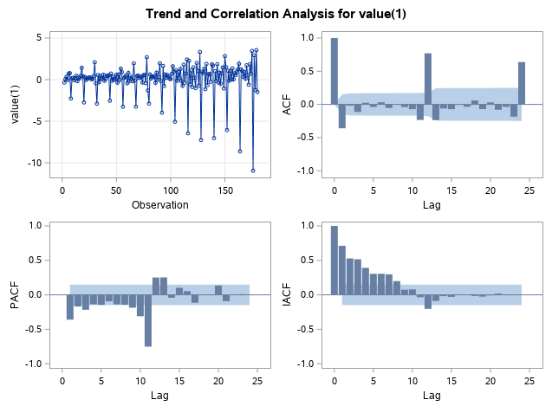
 | Median | 9.319345 |  |  |  | Moving Average | 8% |  |  | cubic | SAS execute .py using Run line commands |  | Note: The actual filename of the Authinfo file is .authinfo in a Linux environment.
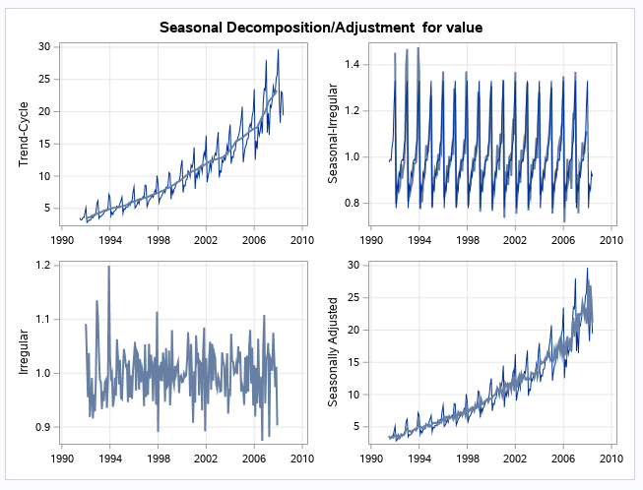
 | Maximum | 29.66536 |  |  |  |  |  |  |  | logistic | Add .py in SAS library |  | Specify the CAS server. You can provide this value with the CASHOST= option in the OPTIONS statement.
 | Mean | 10.69443 |  |  |  |  |  |  |  | logarithmic |  |  | Note: In SAS Studio, the CAS server is set automatically and does not need to be specified.
 | Standard Deviation | 5.956998 |  |  |  | ARIMA |  |  |  | exponential |  |  | Specify the server port value. The default value for the server port is 5570. You can provide this value with the CASPORT= option in the OPTIONS statement.
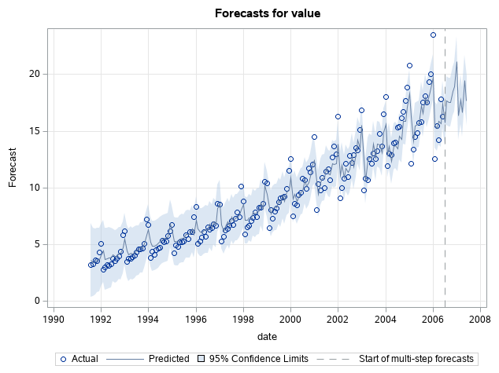
 | Time Interval | Month |  |  |  |  |  |  |  | hyperbolic |  |  | Note: In SAS Studio, the CAS server port value is set automatically and does not need to be specified.
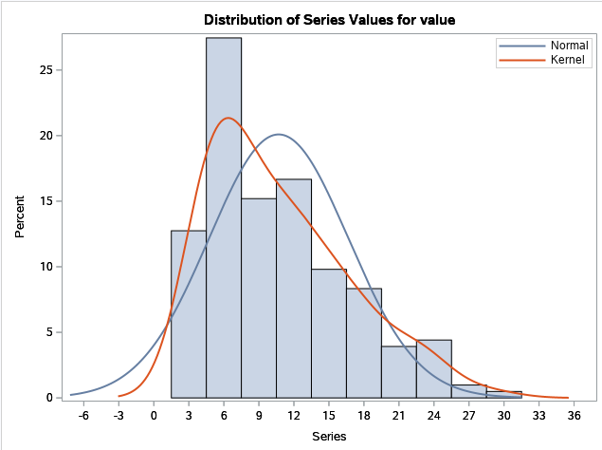
 |  |  |  |  |  |  |  |  |  | power function |  |  | Specify a CAS statement in your program to start your CAS session.
 |  |  |  |  |  |  |  |  |  | exp(A+B/time) |  |  | As a best practice, at the end of the program, specify the TERMINATE option in a CAS statement. For example, this statement ends the CAS session called mysess:
 | Sample Data |  |  |  |  |  |  |  | Data transformations | logarithmic |  |  | cas mysess terminate;
 | date | value |  |  |  |  |  |  |  | logistic
 | Jul-91 | 3.526591 |  |  |  |  |  |  |  | square root |  |  | When you submit a program from the command line, such as when you submit a program at a scheduled time overnight, be certain to specify the CAS server value and CAS server port value. Otherwise, your program does not connect to the CAS server.
 | Aug-91 | 3.180891 |  |  |  |  |  |  |  | Box-Cox
 | Sep-91 | 3.252221
 | Oct-91 | 3.611003
 | Nov-91 | 3.565869
 | Dec-91 | 4.306371

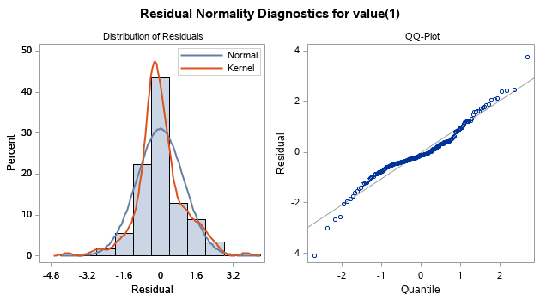

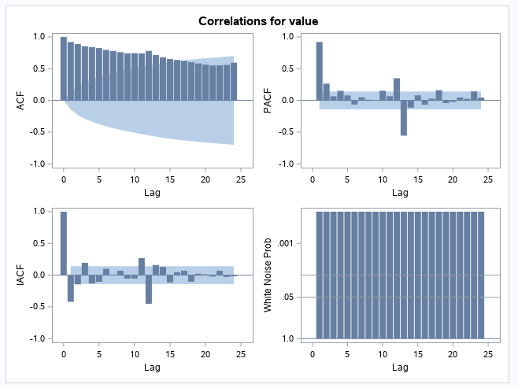
 |  |  |  |  |  | Winter's
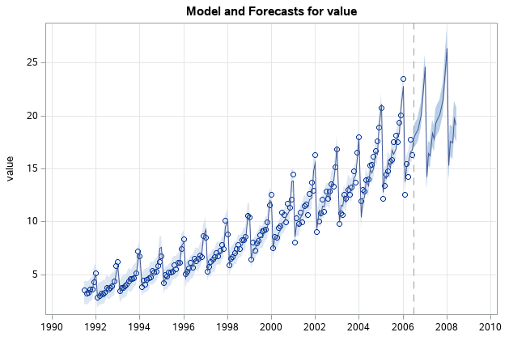

 |  |  |  |  |  | Moving Average

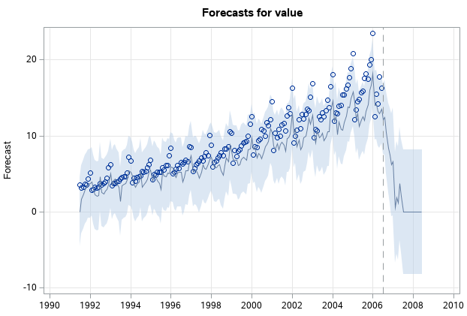

 |  |  |  |  |  | Random Walk

Source Data
date | value
Jul-91 | 3.526591
Aug-91 | 3.180891
Sep-91 | 3.252221
Oct-91 | 3.611003
Nov-91 | 3.565869
Dec-91 | 4.306371
Jan-92 | 5.088335
Feb-92 | 2.81452
Mar-92 | 2.985811
Apr-92 | 3.20478
May-92 | 3.127578
Jun-92 | 3.270523
Jul-92 | 3.73785082
Aug-92 | 3.55877609
Sep-92 | 3.77720173
Oct-92 | 3.92449042
Nov-92 | 4.38653092
Dec-92 | 5.81054917
Jan-93 | 6.19206769
Feb-93 | 3.45085699
Mar-93 | 3.77230686
Apr-93 | 3.7343029
May-93 | 3.90539892
Jun-93 | 4.04968714
Jul-93 | 4.31556552
Aug-93 | 4.56218455
Sep-93 | 4.60866203
Oct-93 | 4.66785129
Nov-93 | 5.09384145
Dec-93 | 7.1799622
Jan-94 | 6.73147308
Feb-94 | 3.84127758
Mar-94 | 4.39407557
Apr-94 | 4.07534073
May-94 | 4.5406449
Jun-94 | 4.64561508
Jul-94 | 4.75260653
Aug-94 | 5.35060467
Sep-94 | 5.20445484
Oct-94 | 5.3016513
Nov-94 | 5.77374216
Dec-94 | 6.20459348
Jan-95 | 6.74948382
Feb-95 | 4.21606735
Mar-95 | 4.94934946
Apr-95 | 4.8230449
May-95 | 5.19475419
Jun-95 | 5.17078711
Jul-95 | 5.25674157
Aug-95 | 5.85527729
Sep-95 | 5.49072901
Oct-95 | 6.11529323
Nov-95 | 6.08847284
Dec-95 | 7.41659792
Jan-96 | 8.32945212
Feb-96 | 5.06979585
Mar-96 | 5.26255667
Apr-96 | 5.59712628
May-96 | 6.110296
Jun-96 | 5.68916084
Jul-96 | 6.48684933
Aug-96 | 6.30056933
Sep-96 | 6.46747574
Oct-96 | 6.82862939
Nov-96 | 6.64907826
Dec-96 | 8.60693721
Jan-97 | 8.52447101
Feb-97 | 5.27791837
Mar-97 | 5.71430345
Apr-97 | 6.21452908
May-97 | 6.41192919
Jun-97 | 6.66771564
Jul-97 | 7.05083102
Aug-97 | 6.70491861
Sep-97 | 7.25098761
Oct-97 | 7.81973318
Nov-97 | 7.39810106
Dec-97 | 10.09623339
Jan-98 | 8.79851303
Feb-98 | 5.91826076
Mar-98 | 6.53449298
Apr-98 | 6.67573561
May-98 | 7.06420058
Jun-98 | 7.38338118
Jul-98 | 7.81349587
Aug-98 | 7.43189221
Sep-98 | 8.27511722
Oct-98 | 8.26044138
Nov-98 | 8.59615575
Dec-98 | 10.55893902
Jan-99 | 10.3914156
Feb-99 | 6.42153456
Mar-99 | 8.06261937
Apr-99 | 7.2977391
May-99 | 7.93691594
Jun-99 | 8.16532298
Jul-99 | 8.71742046
Aug-99 | 9.07096378
Sep-99 | 9.17711337
Oct-99 | 9.25188674
Nov-99 | 9.93313643
Dec-99 | 11.53297428
Jan-00 | 12.51146235
Feb-00 | 7.45719853
Mar-00 | 8.59119084
Apr-00 | 8.47400037
May-00 | 9.3868026
Jun-00 | 9.56039945
Jul-00 | 10.8342948
Aug-00 | 10.64375083
Sep-00 | 9.90816186
Oct-00 | 11.7100413
Nov-00 | 11.34015074
Dec-00 | 12.07913184
Jan-01 | 14.49758109
Feb-01 | 8.04927477
Mar-01 | 10.31289116
Apr-01 | 9.75335821
May-01 | 10.85038183
Jun-01 | 9.96171916
Jul-01 | 11.44360144
Aug-01 | 11.65923889
Sep-01 | 10.64705979
Oct-01 | 12.65213444
Nov-01 | 13.67446631
Dec-01 | 12.96573509
Jan-02 | 16.30026927
Feb-02 | 9.05348536
Mar-02 | 10.00244879
Apr-02 | 10.78875007
May-02 | 12.10670515
Jun-02 | 10.95410107
Jul-02 | 12.84456587
Aug-02 | 12.19649985
Sep-02 | 12.85474787
Oct-02 | 13.54200436
Nov-02 | 13.28764
Dec-02 | 15.13491784
Jan-03 | 16.82834968
Feb-03 | 9.80021461
Mar-03 | 10.81699371
Apr-03 | 10.65422256
May-03 | 12.51232269
Jun-03 | 12.16120969
Jul-03 | 12.9980462
Aug-03 | 12.51727568
Sep-03 | 13.26865761
Oct-03 | 14.73362169
Nov-03 | 13.66938174
Dec-03 | 16.50396561
Jan-04 | 18.00376795
Feb-04 | 11.93802987
Mar-04 | 12.9979001
Apr-04 | 12.88264507
May-04 | 13.94344681
Jun-04 | 13.9894722
Jul-04 | 15.33909742
Aug-04 | 15.37076394
Sep-04 | 16.142005
Oct-04 | 16.685754
Nov-04 | 17.636728
Dec-04 | 18.869325
Jan-05 | 20.778723
Feb-05 | 12.154552
Mar-05 | 13.402392
Apr-05 | 14.459239
May-05 | 14.795102
Jun-05 | 15.705248
Jul-05 | 15.82955
Aug-05 | 17.554701
Sep-05 | 18.100864
Oct-05 | 17.496668
Nov-05 | 19.347265
Dec-05 | 20.031291
Jan-06 | 23.486694
Feb-06 | 12.536987
Mar-06 | 15.467018
Apr-06 | 14.233539
May-06 | 17.783058
Jun-06 | 16.291602
Jul-06 | 16.980282
Aug-06 | 18.612189
Sep-06 | 16.623343
Oct-06 | 21.430241
Nov-06 | 23.575517
Dec-06 | 23.334206
Jan-07 | 28.038383
Feb-07 | 16.763869
Mar-07 | 19.792754
Apr-07 | 16.427305
May-07 | 21.000742
Jun-07 | 20.681002
Jul-07 | 21.83489
Aug-07 | 23.93020353
Sep-07 | 22.93035694
Oct-07 | 23.26333992
Nov-07 | 25.25003022
Dec-07 | 25.80609
Jan-08 | 29.665356
Feb-08 | 21.654285
Mar-08 | 18.264945
Apr-08 | 23.107677
May-08 | 22.91251
Jun-08 | 19.43174

